Sheet1
Packing List
Mark:IDOL NAVY |  |  |  |  |  |  |  |  |  | Date:2026-03-20
Style No. | BAG NO. |  | BAGS | Color | CH | M | G | XG | 2XG | PCS/CTN PCS/BAG | Quantity/PC | Net Weight/CTN Net Weight/BAG kgs | Gross Weight/CTN Gross Weight/BAG kgs | CTN/BAG Size/cm | Total N.W. kgs | Total G.W. kgs | CBM | FOTO | PRECIO | TOTAL | COMPOSICION | DESCRIPCION | MARCA
FK25/18HCR | 1--20 | 20 | 20 | BLACK | 9 | 9 | 9 | 9 |  | 60 | 1200 | 21.6 | 23.2 | 52*62*70 | 432 | 464 | 4.5 |  | $9.09 | $10,908.00 | 100% poliester | CHAMARRA REVERSIBLE PARA CABALLERO | IDOL NAVY
 |  |  |  | GREY | 3 | 3 | 3 | 3
 |  |  |  | WHITE | 3 | 3 | 3 | 3
21131 | 1--12 | 13 | 12 | BLACK | 8 | 8 | 8 | 8 |  | 64 | 768 | 34.88 | 36.38 | 52*62*70 | 418.56 | 436.56 | 2.7 | 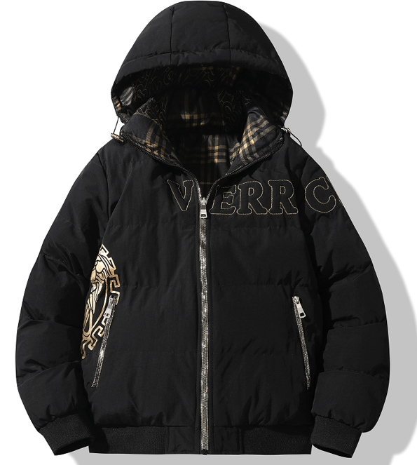 | $9.09 | $7,426.53 | 100%poliester | CHAMARRA REVERSIBLE PARA CABALLERO
 |  |  |  | GREY | 4 | 4 | 4 | 4
 |  |  |  | WHITE | 4 | 4 | 4 | 4
 | 13 |  | 1 | BLACK | 9 | 8 | 7 | 9 |  | 49 | 49 | 26.7 | 28.2 | 52*62*70 | 26.7 | 28.2 | 0.2
 |  |  |  | GREY | 2 | 2 | 2 | 2
 |  |  |  | WHITE | 2 | 2 | 2 | 2
FK25/06HC | 1--4 | 13 | 4 | BLACK/WHITE | 10 | 0 | 15 | 15 | 20 | 60 | 700 | 81 | 82.6 | 52*62*70 | 324 | 330.4 | 2.9 |  | $8.57 | $5,999.00 | 100%poliester | CHAMARRA 3 EN 1 PARA CABALLERO
 | 5 |  | 1 | BLACK/WHITE | 10 | 0 | 5 | 5 | 40 | 60 |  | 81 | 82.6 |  | 81 | 82.6
 | 6--7 |  | 2 | ROJO | 10 | 20 | 10 | 0 | 10 | 50 |  | 67.5 | 69.1 |  | 135 | 138.2
 | 8--9 |  | 2 | SKY BLUE | 0 | 10 | 0 | 20 | 20 | 50 |  | 67.5 | 69.1 |  | 135 | 138.2
 | 10--11 |  | 2 | IVORY WHITE | 10 | 10 | 10 | 10 | 10 | 50 |  | 67.5 | 69.1 |  | 135 | 138.2
 | 12--13 |  | 2 | DARK BLUE | 10 | 10 | 10 | 0 | 20 | 50 |  | 67.5 | 69.1 |  | 135 | 138.2
FK25/17HCR | 1--14 | 15 | 14 | BLACK | 5 | 5 | 5 | 5 |  | 20 | 302 | 21.6 | 23.2 | 57*38*70 | 302.4 | 324.8 | 2.1 |  | $6.50 | $1,963.00 | 100%poliester | CHAMARRA REVERSIBLE PARA CABALLERO
 | 15 |  | 1 | BLACK | 6 | 5 | 6 | 5 |  | 22 |  | 23.76 | 25.52 |  | 23.76 | 25.52 | 0.2
21136 | 1--50 | 50 | 50 | BLACK | 3 | 3 | 3 | 3 |  | 20 | 1000 | 22 | 23.5 | 57*38*70 | 1100 | 1175 | 7.6 |  | $9.09 | $9,090.00 | 100%poliester | CHAMARRA REVERSIBLE PARA CABALLERO
 |  |  |  | RED | 1 | 1 | 1 | 1
 |  |  |  | MILITARY | 1 | 1 | 1 | 1
FK25/09MC | 1--8 | 18 | 8 | BLACK/WHITE | 5 | 5 | 5 | 5 | 5 | 25 | 450 | 27.5 | 29.05 | 56*37*92 | 495 | 522.9 | 3.4 |  | $8.57 | $3,856.50 | 100%poliester | CHAMARRA 3 EN 1 PARA DAMA
 | 9--11 |  | 3 | RED | 10 | 5 |  | 5 | 5 | 25
 | 12--14 |  | 3 | IVORY/WHITE | 5 | 10 | 5 | 5 |  | 25
 | 15--17 |  | 3 | PINK | 10 |  | 5 | 5 | 5 | 25
 | 18 |  | 1 | PURRURA | 25 |  |  |  |  | 25
FK25/10MST | 1--3 | 3 | 3 | BLACK | 15 |  |  |  |  | 35 | 105 | 35 | 36.5 | 55*36*92 | 105 | 109.5 | 0.5 |  | $11.62 | $1,220.10 | 42% ACRILICO,28%POLIAMIDA,30%POLIESTER | SET DAMA
 |  |  |  | COFFEE | 5
 |  |  |  | BLUE | 5
 |  |  |  | BEIGE | 5
 |  |  |  | PINK | 5
FK25/11MST | 1--7 | 7 | 7 | BLACK | 15 |  |  |  |  | 30 | 210 | 21 | 22.5 | 57*38*50 | 147 | 157.5 | 0.8 |  | $7.44 | $1,562.40 | 95%POLIESTER,5% SPANDEX | SET DAMA
 |  |  |  | GREEN | 5
 |  |  |  | BEIGE | 5
 |  |  |  | CAMEL | 5
FK25/12MST | 1--4 | 4 | 4 | BLACK | 15 |  |  |  |  | 40 | 160 | 32 | 33.5 | 57*38*76 | 128 | 134 | 0.7 | 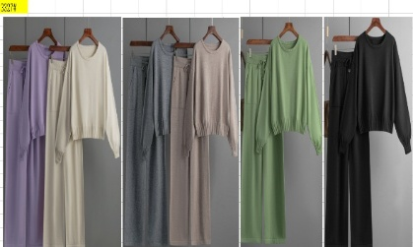 | $11.62 | $1,859.20 | 50%SPANDEX,22%POLIAMIDA,28%POLIESTER | SET DAMA
 |  |  |  | LT PURPLE | 5
 |  |  |  | OFF WHITE | 5
 |  |  |  | GREY | 5
 |  |  |  | MOCHA | 5
 |  |  |  | LT GREEN | 5
FK25/13MST | 1--5 | 5 | 5 | BLACK | 15 |  |  |  |  | 40 | 200 | 30.8 | 32.3 | 55*36*92 | 154 | 161.5 | 0.9 | 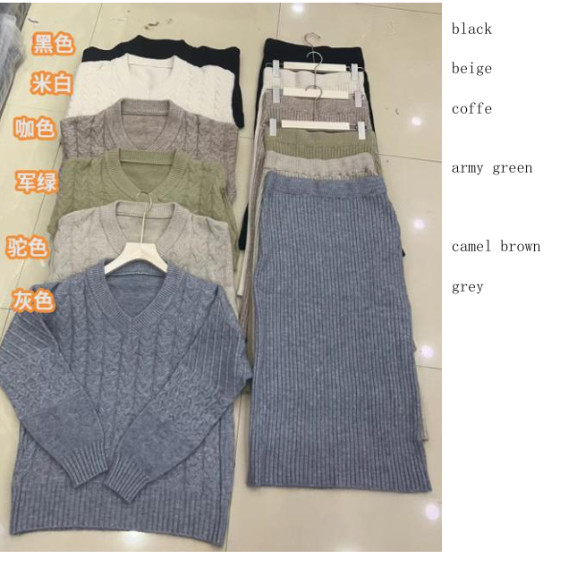 | $9.43 | $1,886.00 | 42% ACRILICO,30%POLIAMIDA,28%SPANDEX | SET DAMA
 |  |  |  | GREY | 5
 |  |  |  | COFFEE | 5
 |  |  |  | BEIGE | 5
 |  |  |  | CAMEL BROWN | 5
 |  |  |  | ARMY GREEN | 5
FK25/14MST | 1--3 | 3 | 3 | BLACK | 15 |  |  |  |  | 35 | 105 | 29.4 | 30.9 | 57*38*86 | 88.2 | 92.7 | 0.6 |  | $9.13 | $958.65 | 55%POLIESTER,30%VISCOSA,15%SPANDEX | SET DAMA
 |  |  |  | GREY | 5
 |  |  |  | COFFEE | 5
 |  |  |  | BEIGE | 5
 |  |  |  | RED | 5
FK25/15MST | 1--5 | 5 | 5 | BLACK/WHITE | 16 |  |  |  |  | 40 | 200 | 44 | 45.5 | 55*36*92 | 220 | 227.5 | 0.9 |  | $10.19 | $2,038.00 | 42% ACRILICO,30%POLIAMIDA,28%SPANDEX | SET DAMA
 |  |  |  | BEIGE/BLACK | 8
 |  |  |  | CAMEL/WHITE | 8
 |  |  |  | GREY/WHITE | 8
FK25/16MST | 1--7 | 7 | 7 | BLACK | 15 |  |  |  |  | 30 | 210 | 30 | 31.5 | 57*38*76 | 210 | 220.5 | 1.2 |  | $10.19 | $2,139.90 | 42% ACRILICO,30%POLIAMIDA,28%SPANDEX | SET DAMA
 |  |  |  | BEIGE | 5
 |  |  |  | CAMEL | 5
 |  |  |  | GREY | 5
FK25/07MC | 1--67 | 67 | 67 | NEGRO | 3 | 3 | 3 | 3 | 3 | 45 | 3015 | 20.34 | 21.34 | 57*38*38 | 1362.78 | 1429.78 | 5.5 |  | $6.20 | $18,693.00 | 100%poliester | ROMPEVIENTOS PARA DAMA
 |  |  |  | VERDE | 2 | 2 | 2 | 2 | 2
 |  |  |  | ROJO | 1 | 1 | 1 | 1 | 1
 |  |  |  | CAQUI | 1 | 1 | 1 | 1 | 1
 |  |  |  | PURPURA | 1 | 1 | 1 | 1 | 1
 |  |  |  | ROSA | 1 | 1 | 1 | 1 | 1
5621 | 1--10 | 10 | 10 | BLACK | 3 | 3 | 3 | 3 |  | 72 | 720 | 46.3 | 46.8 | 80*40*40 | 463 | 468 | 1.3 |  | $8.55 | $6,156.00 | 100%poliester | CHAMARRA PARA CABALLERO
 |  |  |  | OLIVE | 6 | 6 | 6 | 6
 |  |  |  | NAVY | 6 | 6 | 6 | 6
 |  |  |  | KHAKI | 3 | 3 | 3 | 3
FK25/07MC | 1--21 | 22 | 21 | NEGRO | 6 | 6 | 6 | 6 | 6 | 90 | 1890 | 41.5 | 42 | 80*40*40 | 871.5 | 882 | 2.7 |  | $6.20 | $12,555.00 | 100%poliester | ROMPEVIENTOS PARA DAMA
 |  |  |  | VERDE | 4 | 4 | 4 | 4 | 4
 |  |  |  | ROJO | 2 | 2 | 2 | 2 | 2
 |  |  |  | CAQUI | 2 | 2 | 2 | 2 | 2
 |  |  |  | PURPURA | 2 | 2 | 2 | 2 | 2
 |  |  |  | ROSA | 2 | 2 | 2 | 2 | 2
 | 22 |  | 1 | NEGRO | 9 | 9 | 9 | 9 | 9 | 135 | 135 | 62 | 62.5 | 80*40*40 | 62 | 62.5 | 0.1
 |  |  |  | VERDE | 6 | 6 | 6 | 6 | 6
 |  |  |  | ROJO | 3 | 3 | 3 | 3 | 3
 |  |  |  | CAQUI | 3 | 3 | 3 | 3 | 3
 |  |  |  | PURPURA | 3 | 3 | 3 | 3 | 3
 |  |  |  | ROSA | 3 | 3 | 3 | 3 | 3
FK25/08HC | 1--18 | 19 | 18 | NEGRO | 12 | 12 | 12 | 12 | 12 | 105 | 1890 | 52 | 52.5 | 90*50*40 | 936 | 945 | 3.2 | 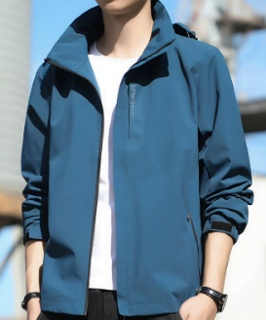 | $6.20 | $12,505.40 | 100%poliester | ROMPEVIENTOS PARA DAMA
 |  |  |  | GRIS | 3 | 3 | 3 | 3 | 3
 |  |  |  | PEACOCK BLUE | 3 | 3 | 3 | 3 | 3
 |  |  |  | ROJO | 3 | 3 | 3 | 3 | 3
 | 19 |  | 1 | NEGRO | 16 | 16 | 17 | 17 | 16 | 127 | 127 | 62.8 | 63.3 | 90*50*40 | 62.8 | 63.3 | 0.2
 |  |  |  | GRIS | 3 | 3 | 3 | 3 | 3
 |  |  |  | PEACOCK BLUE | 3 | 3 | 3 | 3 | 3
 |  |  |  | ROJO | 3 | 3 | 3 | 3 | 3
FK26/01MW | 1--9 | 9 | 8 | BLACK/GOLD | 4 | 4 | 4 | 4 |  | 64 | 512 | 37.2 | 37.7 | 80*50*40 | 297.6 | 301.6 | 1.3 | 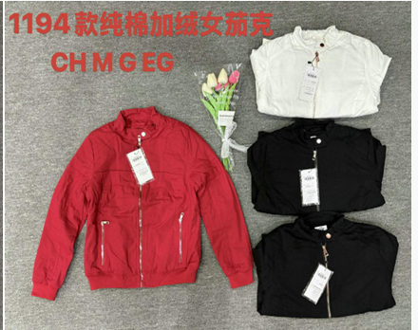 | $6.30 | $3,880.80 | exterior 100% algodón, forro 100% poliester | CHAMARRA CON RIB EN CINTURA PARA DAMA
 |  |  |  | BLACK/SILVER | 4 | 4 | 4 | 4
 |  |  |  | RED | 4 | 4 | 4 | 4
 |  |  |  | WHITE | 4 | 4 | 4 | 4
 |  |  | 1 | BLACK/GOLD | 8 | 8 | 8 | 8 |  | 104 | 104 | 60.5 | 61 | 80*70*40 | 60.5 | 61 | 0.2
 |  |  |  | BLACK/SILVER | 6 | 6 | 6 | 6
 |  |  |  | RED | 6 | 6 | 6 | 6
 |  |  |  | WHITE | 6 | 6 | 6 | 6
FK26/02MW | 1--20 | 20 | 20 | BEIGE | 3 | 6 | 6 | 3 |  | 72 | 1440 | 48 | 48.5 | 80*40*40 | 960 | 970 | 2.6 |  | $6.50 | $9,360.00 | exterior 100% algodón, forro 100% poliester | CHAMARRA CON BOLSILLOS FRONTALES PARA DAMA
 |  |  |  | PEACH | 3 | 6 | 6 | 3
 |  |  |  | RED | 3 | 6 | 6 | 3
 |  |  |  | BLACK | 3 | 6 | 6 | 3
FK26/03MVW | 1--6 | 7 | 6 | GREEN | 3 | 6 | 6 | 3 |  | 72 | 432 | 30.1 | 30.6 | 80*40*40 | 180.6 | 183.6 | 0.8 | 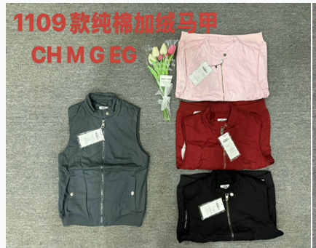 | $5.10 | $2,692.80 | exterior 100% algodón, forro 100% poliester | CHALECO PARA DAMA
 |  |  |  | PINK | 3 | 6 | 6 | 3
 |  |  |  | RED | 3 | 6 | 6 | 3
 |  |  |  | BLACK | 3 | 6 | 6 | 3
 | 7 |  | 1 | GREEN | 4 | 8 | 8 | 4 |  | 96 | 96 | 40.1 | 40.6 | 80*40*40 | 40.1 | 40.6 | 0.1
 |  |  |  | PINK | 4 | 8 | 8 | 4
 |  |  |  | RED | 4 | 8 | 8 | 4
 |  |  |  | BLACK | 4 | 8 | 8 | 4
FK26/04MW | 1--8 | 8 | 8 | ROSE | 4 | 4 | 4 | 4 |  | 64 | 512 | 50.8 | 51.3 | 80*50*40 | 406.4 | 410.4 | 1.3 |  | $6.50 | $3,328.00 | exterior suede forro 100% poliester | CHAMARRA SUEDE PARA DAMA
 |  |  |  | RED | 4 | 4 | 4 | 4
 |  |  |  | PURPLE | 4 | 4 | 4 | 4
 |  |  |  | PINK | 4 | 4 | 4 | 4
FK26/05MW | 1--11 | 12 | 11 | BLACK | 4 | 4 | 4 | 4 |  | 64 | 704 | 37 | 37.5 | 80*55*40 | 407 | 412.5 | 1.9 | 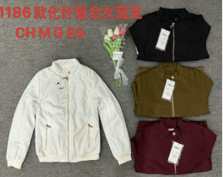 | $5.80 | $4,640.00 | 100% poliester | CHAMARRA PARA DAMA
 |  |  |  | OLIVE | 4 | 4 | 4 | 4
 |  |  |  | WHITE | 4 | 4 | 4 | 4
 |  |  |  | WINE | 4 | 4 | 4 | 4
 | 12 |  | 1 | BLACK | 6 | 6 | 6 | 6 |  | 96 | 96 | 55.3 | 55.8 | 80*55*40 | 55.3 | 55.8 | 0.2
 |  |  |  | OLIVE | 6 | 6 | 6 | 6
 |  |  |  | WHITE | 6 | 6 | 6 | 6
 |  |  |  | WINE | 6 | 6 | 6 | 6
FK26/07HW | 1--7 | 8 | 7 | BLACK | 6 | 12 | 12 | 12 | 6 | 96 | 672 | 58.5 | 59 | 80*45*40 | 409.5 | 413 | 1.0 | 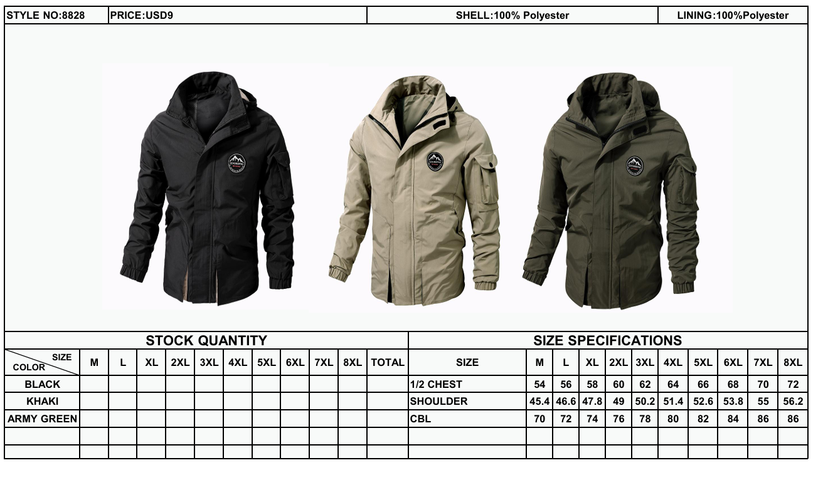 | $9.00 | $7,200.00 | 100% poliester | ROMPEVIENTOS PARA CABALLERO
 |  |  |  | KHAKI | 3 | 6 | 6 | 6 | 3
 |  |  |  | ARMY GREEN | 3 | 6 | 6 | 6 | 3
 | 8 |  | 1 | BLACK | 8 | 16 | 16 | 16 | 8 | 128 | 128 | 77.8 | 78.3 | 80*45*40 | 77.8 | 78.3 | 0.1
 |  |  |  | KHAKI | 4 | 8 | 8 | 8 | 4
 |  |  |  | ARMY GREEN | 4 | 8 | 8 | 8 | 4
FK26/08HW | 1--11 | 12 | 11 | BLACK | 4 | 8 | 8 | 8 | 4 | 80 | 880 | 35.1 | 36.6 | 80*40*40 | 386.1 | 402.6 | 1.4 |  | $8.00 | $8,000.00 | 100% poliester | ROMPEVIENTOS PARA CABALLERO
 |  |  |  | NAVY | 2 | 4 | 4 | 4 | 2
 |  |  |  | KHAKI | 2 | 4 | 4 | 4 | 2
 |  |  |  | ARMY GREEN | 2 | 4 | 4 | 4 | 2
 | 12 |  | 1 | BLACK | 6 | 12 | 12 | 12 | 6 | 120 | 120 | 53.9 | 54.4 | 80*40*40 | 53.9 | 54.4 | 0.1
 |  |  |  | NAVY | 3 | 6 | 6 | 6 | 3
 |  |  |  | KHAKI | 3 | 6 | 6 | 6 | 3
 |  |  |  | ARMY GREEN | 3 | 6 | 6 | 6 | 3
FK26/11MW | 1--16 | 16 | 16 | BLACK | 3 | 6 | 6 | 6 | 3 | 96 | 1536 | 48.1 | 48.6 | 80*42*40 | 769.6 | 777.6 | 2.2 |  | $7.00 | $10,752.00 | 100% poliester | ROMPEVIENTOS PARA DAMA
 |  |  |  | PURPLE |  | 12 | 12
 |  |  |  | WHITE |  | 12 | 9 |  | 3
 |  |  |  | PINK |  | 12 | 12
FK26/12MW | 1--25 | 25 | 25 | BLACK | 4 | 8 | 8 | 8 | 4 | 80 | 2000 | 42 | 42.5 | 80*40*40 | 1050 | 1062.5 | 3.2 |  | $8.00 | $16,000.00 | 100% poliester | ROMPEVIENTOS PARA DAMA
 |  |  |  | PINK | 2 | 4 | 4 | 4 | 2
 |  |  |  | WHITE | 2 | 4 | 4 | 4 | 2
 |  |  |  | KHAKI | 2 | 4 | 4 | 4 | 2
FK26/13HW | 1--10 | 11 | 10 | BLACK | 6 | 12 | 12 | 12 | 6 | 108 | 1080 | 58.8 | 59.3 | 80*55*40 | 588 | 593 | 1.8 | 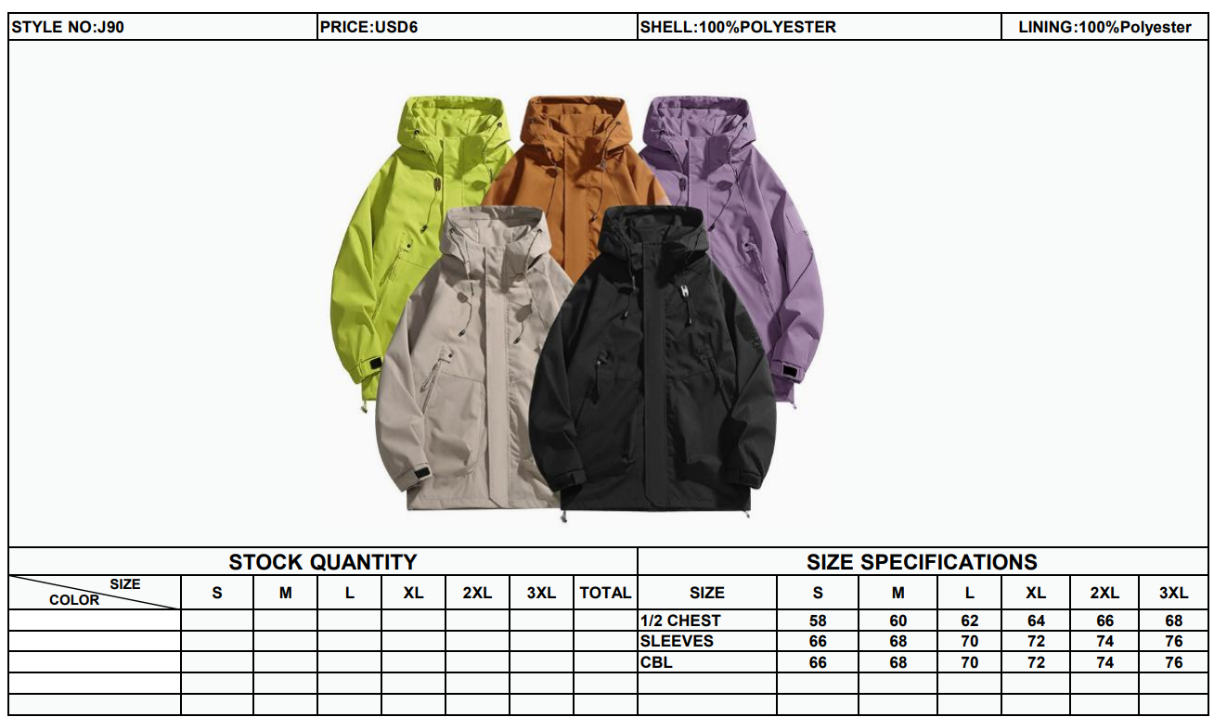 | $6.00 | $7,344.00 | 100% poliester | ROMPEVIENTOS PARA CABALLERO
 |  |  |  | KHAKI | 3 | 3 | 3 | 3 | 3
 |  |  |  | ORANGE | 3 | 3 | 3 | 3 | 3
 |  |  |  | GREEN | 3 | 3 | 3 | 3 | 3
 |  |  |  | PURPLE | 3 | 3 | 3 | 3 | 3
 | 11 |  | 1 | BLACK | 8 | 16 | 16 | 16 | 8 | 144 | 144 | 78.3 | 78.8 | 80*55*40 | 78.3 | 78.8 | 0.2
 |  |  |  | KHAKI | 4 | 4 | 4 | 4 | 4
 |  |  |  | ORANGE | 4 | 4 | 4 | 4 | 4
 |  |  |  | GREEN | 4 | 4 | 4 | 4 | 4
 |  |  |  | PURPLE | 4 | 4 | 4 | 4 | 4
FK26/14HW | 1--4 | 5 | 4 | BLACK | 12 | 12 | 12 | 12 |  | 96 | 384 | 54.2 | 54.7 | 80*40*40 | 216.8 | 218.8 | 0.5 |  | $5.50 | $2,816.00 | 100% poliester | ROMPEVIENTOS PARA CABALLERO
 |  |  |  | OLIVE |  | 12 | 6 | 6
 |  |  |  | WINE | 6 | 6 | 6 | 6
 | 5 |  | 1 | BLACK | 16 | 16 | 16 | 16 |  | 128 | 128 | 72.1 | 72.6 | 80*40*40 | 72.1 | 72.6 | 0.1
 |  |  |  | OLIVE |  | 16 | 8 | 8
 |  |  |  | WINE | 8 | 8 | 8 | 8
FK26/15HW | 1--10 | 10 | 10 | BLACK | 4 | 8 | 8 | 8 | 4 | 96 | 960 | 53.5 | 54 | 80*40*40 | 535 | 540 | 1.3 |  | $5.50 | $5,280.00 | 100% poliester | ROMPEVIENTOS PARA CABALLERO
 |  |  |  | KHAKI | 4 | 8 | 8 | 8 | 4
 |  |  |  | BLUE-1 | 1 | 2 | 1 | 3 | 1
 |  |  |  | BLUE-2 |  | 9 |  | 12 | 3
FK26/16HW | 1--10 | 10 | 10 | BLACK | 4 | 4 | 4 | 4 | 4 | 80 | 800 | 37.5 | 38 | 80*42*40 | 375 | 380 | 1.3 |  | $8.00 | $6,400.00 | 100% poliester | ROMPEVIENTOS PARA CABALLERO
 |  |  |  | BEIGE | 4 | 4 | 4 | 4 | 4
 |  |  |  | NAVY | 4 | 4 | 4 | 4 | 4
 |  |  |  | KHAKI | 4 | 4 | 4 | 4 | 4
FK26/17MW | 1--12 | 12 | 12 | BLACK | 4 | 8 | 8 | 8 | 4 | 96 | 1152 | 48.9 | 49.4 | 80*40*40 | 586.8 | 592.8 | 1.5 |  | $6.50 | $7,488.00 | 100% poliester | ROMPEVIENTOS PARA DAMA
 |  |  |  | ROYAL BLUE | 4 | 8 | 8 | 8 | 4
 |  |  |  | PINK | 4 | 8 | 8 | 8 | 4
FK26/18HW | 1--5 | 5 | 5 | BLACK | 16 | 16 | 16 | 16 | 16 | 120 | 600 | 54.5 | 56 | 80*48*54 | 272.5 | 280 | 1.0 |  | $7.50 | $4,500.00 | 100% poliester | ROMPEVIENTOS PARA CABALLERO
 |  |  |  | GREY | 8 | 8 | 8 | 8 | 8
FK26/19MW | 1--7 | 7 | 7 | BLACK | 4 | 4 | 4 | 4 |  | 96 | 672 | 44.5 | 46 | 80*48*50 | 311.5 | 322 | 1.3 |  | $7.00 | $4,704.00 | 100% poliester | ROMPEVIENTOS PARA DAMA
 |  |  |  | WHITE | 4 | 4 | 4 | 4
 |  |  |  | PINK | 4 | 4 | 4 | 4
 |  |  |  | RED | 4 | 4 | 4 | 4
 |  |  |  | GREEN | 4 | 4 | 4 | 4
 |  |  |  | PURPLE | 4 | 4 | 4 | 4
FK26/20HW | 1--8 | 8 | 8 | BLACK | 12 | 12 | 12 | 12 | 12 | 135 | 1080 | 62.5 | 64 | 82*50*65 | 500 | 512 | 2.1 |  | $6.25 | $6,750.00 | 100% poliester | ROMPEVIENTOS PARA CABALLERO
 |  |  |  | ORANGE | 3 | 3 | 3 | 3 | 3
 |  |  |  | MILITARY | 3 | 3 | 3 | 3 | 3
 |  |  |  | RED | 3 | 3 | 3 | 3 | 3
 |  |  |  | BEIGE | 3 | 3 | 3 | 3 | 3
 |  |  |  | NAVY | 3 | 3 | 3 | 3 | 3
TOTAL |  |  | 466 |  |  |  |  |  |  |  | 29668 |  |  |  | 17244.1 | 17710.46 | 70 |  |  | $211,952.28
Remark:Green is compress/Yellow is carton/white is bag

